Sheet1
RA- QUÀ TẾT CHO NHÂN VIÊN

STT | TÊN SP | NGUỒN | LINK MUA | GIÁ | MINH HỌA
1 | Giỏ quà Tết Phúc Lộc 8 Món Cao Cấp Real Food Store | Tiki | https://tiki.vn/gio-qua-tet-phuc-loc-8-mon-cao-cap-real-food-store-p43767510.html?src=search&2hi=0&keyword=gi%E1%BB%8F%20qu%C3%A0%20t%E1%BA%BFt%20cho%20nh%C3%A2n%20vi%C3%AAn&_lc=Vk4wMzkwMTkwMDU%3D | 438.000 ₫ | 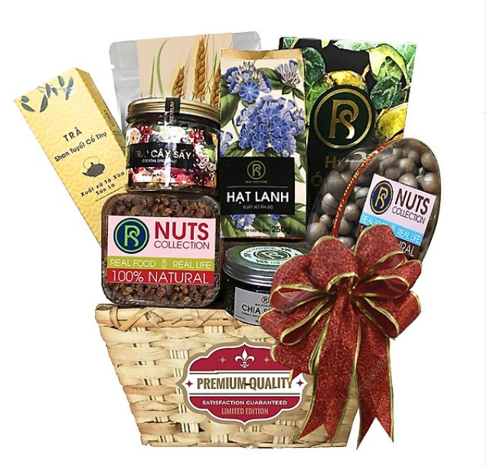
 | Voucher | Tiki / vinID | voucher 1: https://tiki.vn/phieu-qua-tang-tiki-500-000d-p1559585.html?src=frequently-bought-together Voucher 2: https://www.adayroi.com/the-qua-tang-vinid-500-000-vnd-vinid-giftcard-p-PRI1027049?offer=PRI1027049_M-Q44&search=th%E1%BA%BB+qu%C3%A0+t%E1%BA%B7ng | 500,000
2 | Giỏ quà Tết Lotte - Tân Niên Đắc Lộc 11 món | Tiki | https://tiki.vn/gio-qua-tet-lotte-tan-nien-dac-loc-11-mon-p44716337.html?src=search&2hi=1&keyword=gi%E1%BB%8F%20qu%C3%A0%20t%E1%BA%B7ng%20t%E1%BA%BFt&_lc=Vk4wMzkwMTkwMDU%3D | 550,000 | 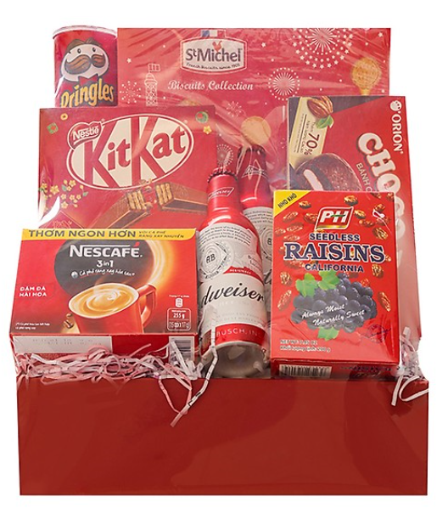
 | Voucher | tiki/vinID | Voucher 1: https://tiki.vn/phieu-qua-tang-tiki-200-000d-p1559581.html?src=frequently-bought-together&_lc=Vk4wMzkwMTkwMDU%3D Voucher 2: https://www.adayroi.com/the-qua-tang-vinid-300-000-vnd-vinid-giftcard-p-PRI1027048?offer=PRI1027048_M-Q44&search=th%E1%BA%BB+qu%C3%A0+t%E1%BA%B7ng | 400,000
3 | Giỏ Quà Tri Ân Phụ Mẫu Big C MS 1000C | tiki | https://tiki.vn/gio-qua-tri-an-phu-mau-big-c-ms-1000c-p44245866.html?src=search&2hi=0&keyword=gi%E1%BB%8F%20qu%C3%A0%20t%E1%BA%B7ng%20t%E1%BA%BFt&_lc=Vk4wMzkwMTkwMDU%3D | 1,000,000 | 